Charts1
Create Line Chart with Proper formatting
Should be formatted as shown in picture

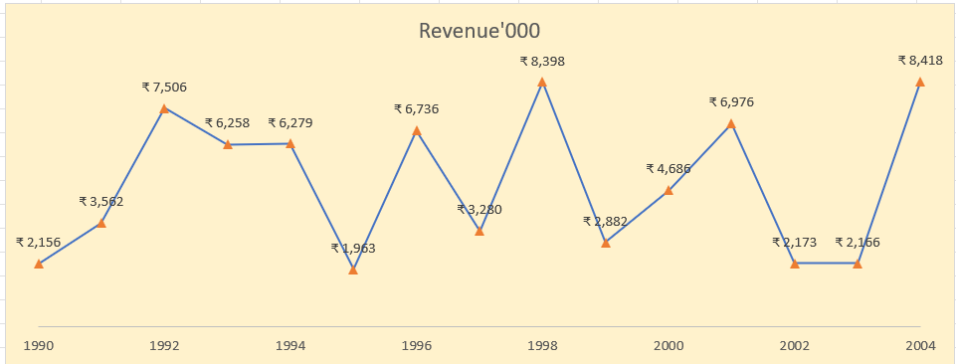
Date | Revenue'000
1990 | ₹ 2,156
1991 | ₹ 3,562
1992 | ₹ 7,506
1993 | ₹ 6,258
1994 | ₹ 6,279
1995 | ₹ 1,963
1996 | ₹ 6,736
1997 | ₹ 3,280
1998 | ₹ 8,398
1999 | ₹ 2,882
2000 | ₹ 4,686
2001 | ₹ 6,976
2002 | ₹ 2,173
2003 | ₹ 2,166
2004 | ₹ 8,418

Solution Chart 1
Revenue
1990 | 2156
1991 | 3562
1992 | 7506
1993 | 6258
1994 | 6279
1995 | 1963
1996 | 6736
1997 | 3280
1998 | 8398
1999 | 2882
2000 | 4686
2001 | 6976
2002 | 2173
2003 | 2166
2004 | 8418
Create Line Chart with Proper formatting
Should be formatted as shown in picture

Date | Revenue'000
1990 | ₹ 2,156
1991 | ₹ 3,562
1992 | ₹ 7,506
1993 | ₹ 6,258
1994 | ₹ 6,279
1995 | ₹ 1,963
1996 | ₹ 6,736
1997 | ₹ 3,280
1998 | ₹ 8,398
1999 | ₹ 2,882
2000 | ₹ 4,686
2001 | ₹ 6,976
2002 | ₹ 2,173
2003 | ₹ 2,166
2004 | ₹ 8,418

Charts2
Create Combo Chart with Proper formatting
Should be formatted as shown in picture

Date | Revenue'000 | Running Total | %
2005 | $528
2006 | $4,550 | 5,078.00 | 7%
2007 | $8,189 | 13,267.00 | 17%
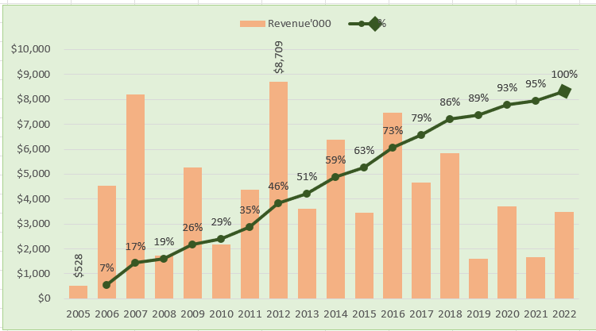
2008 | $1,730 | 14,997.00 | 19%
2009 | $5,262 | 20,259.00 | 26%
2010 | $2,172 | 22,431.00 | 29%
2011 | $4,384 | 26,815.00 | 35%
2012 | $8,709 | 35,524.00 | 46%
2013 | $3,618 | 39,142.00 | 51%
2014 | $6,372 | 45,514.00 | 59%
2015 | $3,456 | 48,970.00 | 63%
2016 | $7,478 | 56,448.00 | 73%
2017 | $4,649 | 61,097.00 | 79%
2018 | $5,831 | 66,928.00 | 86%
2019 | $1,599 | 68,527.00 | 89%
2020 | $3,695 | 72,222.00 | 93%
2021 | $1,678 | 73,900.00 | 95%
2022 | $3,490 | 77,390.00 | 100%

Total | $77,390

Solution Chart 2
Revenue
 | Date | Revenue'000 | Running Total | %
2005 | 2005 | $528
2006 | 2006 | $4,550 | 5,078.00 | 7%
2007 | 2007 | $8,189 | 13,267.00 | 17%
2008 | 2008 | $1,730 | 14,997.00 | 19%
2009 | 2009 | $5,262 | 20,259.00 | 26%
2010 | 2010 | $2,172 | 22,431.00 | 29%
2011 | 2011 | $4,384 | 26,815.00 | 35%
2012 | 2012 | $8,709 | 35,524.00 | 46%
2013 | 2013 | $3,618 | 39,142.00 | 51%
2014 | 2014 | $6,372 | 45,514.00 | 59%
2015 | 2015 | $3,456 | 48,970.00 | 63%
2016 | 2016 | $7,478 | 56,448.00 | 73%
2017 | 2017 | $4,649 | 61,097.00 | 79%
2018 | 2018 | $5,831 | 66,928.00 | 86%
2019 | 2019 | $1,599 | 68,527.00 | 89%
2020 | 2020 | $3,695 | 72,222.00 | 93%
2021 | 2021 | $1,678 | 73,900.00 | 95%
2022 | 2022 | $3,490 | 77,390.00 | 100%
Date | Revenue'000 | Running Total | %
2005 | $528
2006 | $4,550 | 5,078.00 | 7%
2007 | $8,189 | 13,267.00 | 17%
2008 | $1,730 | 14,997.00 | 19%
2009 | $5,262 | 20,259.00 | 26%
2010 | $2,172 | 22,431.00 | 29%
2011 | $4,384 | 26,815.00 | 35%
2012 | $8,709 | 35,524.00 | 46%
2013 | $3,618 | 39,142.00 | 51%
2014 | $6,372 | 45,514.00 | 59%
2015 | $3,456 | 48,970.00 | 63%
2016 | $7,478 | 56,448.00 | 73%
2017 | $4,649 | 61,097.00 | 79%
2018 | $5,831 | 66,928.00 | 86%
2019 | $1,599 | 68,527.00 | 89%
2020 | $3,695 | 72,222.00 | 93%
2021 | $1,678 | 73,900.00 | 95%
2022 | $3,490 | 77,390.00 | 100%

